Admin
1 | Registration |  | DASHBOARD
2 | Project Registration |  |  | Total Projects |  |  | Pending Projects |  |  | Finished Projects | Cancelled Projects
3 | Client Registration |  |  | 250 |  |  | 100 |  |  | 125 | 25
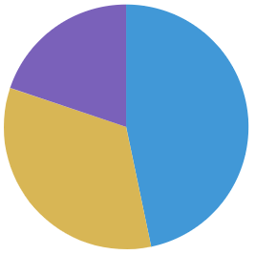
4 | Contractor Registration
5 | Sites Registration
6 | Staff/Employees Registration
7 | Project Management
8 | Project Schedule
9 | Project Tasks
10 | Staff Deployment Procedure According to Site & Project
11 | Staff work hours management
12 | Projects Quote & Invoice Management
13 | Inspection & Site Visit Checklist at the Time of First Visit
14 | Quotation
15 | Invoice
16 | Stock Management System
17 | Stock Purchase Form |  | Projects
18 | Advance Stock Ordering Management
19 | Stock Transportation Management |  | Sr | Name | Site | Status | Docs | Start Date | Delivery date
20 | Store Management |  | 1 | Flooring & Painting | EB506 | EB506 |  | 2021-01-01 | 20-02-2021
21 | Site Management System
22 | Daily Check List Schedule |  | 2 | Painting & Electrical | Giga Mall | Finished |  | 2021-01-01 | 25-01-2021
23 | Final Inspection Checklist
24 | Daily Stock Receiving Form |  | 3 | Flooring & Painting | Emirates Mall | Cancelled |  | 2021-01-01 | 30-01-2021
25 | Staff Checkin & Checkout option
26 | Multi image uploading
27 | Project Management Reports | ALL | PENDING | FINISHED | REJECTED |  |  | 02-02-2021 To 03-02-2021
28 | Project Lists
29 | Project Summery
30 | Project Profit/Loss Statement
31 | Project Schedule
32 | Workers Track / Report for Multisites option

 |  |  |  |  | Project Registration |  |  |  |  |  |  | Project List

 |  |  |  | Project Name | Flooring & Painting |  |  |  |  |  |  | Sr. | Project Name | Site | Start Date | End Date | Edit | Delete
 |  |  |  | Site | HSBC |  |  |  |  |  |  | 1 | Flooring & Painting | HSBC | 2021-01-01 | 20-02-2021
 |  |  |  | Starting Date | 2021-01-01 |  |  |  |  |  |  | 2 | Electrical | ABC | 2021-01-01 | 20-03-2021
 |  |  |  | Handovering Date | 20-02-2021
 |  |  |  | Supervisor | Bilal
 |  |  |  | Manager/Engineer | Muhammad
 |  |  |  | Sections
 |  |  |  |  | Painting
 |  |  |  |  | Flooring
 |  |  |  |  | Electrical Work

 |  |  |  |  | Sections Registration |  |  |  |  |  |  | Section List
 |  |  |  | Section Name | Flooring
 |  |  |  | Detail |  |  |  |  |  |  |  | Sr. | Section | Detail |  |  | Edit | Delete
 |  |  |  |  |  |  |  |  |  |  |  | 1 | Flooring | Detail
 |  |  |  |  |  |  |  |  |  |  |  | 2 | Electrical | Detail
 |  |  |  |  |  |  |  |  |  |  |  | 3 | Painting | Detail

 |  |  |  |  | Site Registration |  |  |  |  |  |  | Site List
 |  |  |  | Section Name | HSBC
 |  |  |  | Detail |  |  |  |  |  |  |  | Sr. | Site | Detail |  |  | Edit | Delete
 |  |  |  |  |  |  |  |  |  |  |  | 1 | HSBC | Detail
 |  |  |  |  |  |  |  |  |  |  |  | 2 | A105 | Detail

 |  |  |  |  | Customer Registration |  |  |  |  |  |  | Customer List

 |  |  |  | Customer Name | Muhammad |  |  |  |  |  |  | Sr. | Name | Address |  | Mobile | Edit | Delete
 |  |  |  | Address | ABC |  |  |  |  |  |  | 1 | Muhammad | ABC |  | 0344-444
 |  |  |  | Mobile No | 0344-4443048
 |  |  |  | Email Address | abc@gmail.com
 |  |  |  | City | Islamabad
 |  |  |  | Country | Pakistan

 |  |  |  |  | Contractor Registration |  |  |  |  |  |  | Contractor List

 |  |  |  | Contractor Name | Salman |  |  |  |  |  |  | Sr. | Name | Address |  | Mobile | Edit | Delete
 |  |  |  | Address | ABC |  |  |  |  |  |  | 1 | Salman | ABC |  | 0321-444
 |  |  |  | Mobile No | 0321-545454
 |  |  |  | Email Address | abc@gmail.com
 |  |  |  | City | Islamabad
 |  |  |  | Country | Pakistan

 |  |  |  |  | Employee Registration |  |  |  |  |  |  | Employee List

 |  |  |  | Employee Name | Salman |  |  |  |  |  |  | Sr. | Name | Address |  | Mobile | Edit | Delete
 |  |  |  | Address | ABC |  |  |  |  |  |  | 1 | Salman | ABC |  | 0321-444
 |  |  |  | Mobile No | 0321-545454
 |  |  |  | Email Address | abc@gmail.com
 |  |  |  | City | Islamabad
 |  |  |  | Country | Pakistan
 |  |  |  | Designation
 |  |  |  | Date of Birth
 |  |  |  | Date of joining
 |  |  |  | Per Hour Salary

Sheet2
Project Schedule & Tasks
 | Project Name | Employee | Task | Start Date | End Date
 |  |  | Painting | 2021-01-01 | 2021-01-15

Sr | Project Name | Employee | Task | Start Date | End Date
1 | HSBC | Muhammad | Painting | 2021-01-01 | 2021-01-15
2 | HSBC | Salamn | Flooring | 2021-05-01 | 2021-01-15

Daily Project Schedule & Employees Tasks

 | Project Name | Site | Employee | Date
 |  |  |  | 2021-01-01

Sr | Project Name | Site | Employee | Date
1 | HSBC | AB105 | Muhammad | 2021-01-01
2 | HSBC | AT965 | Salamn | 2021-01-01

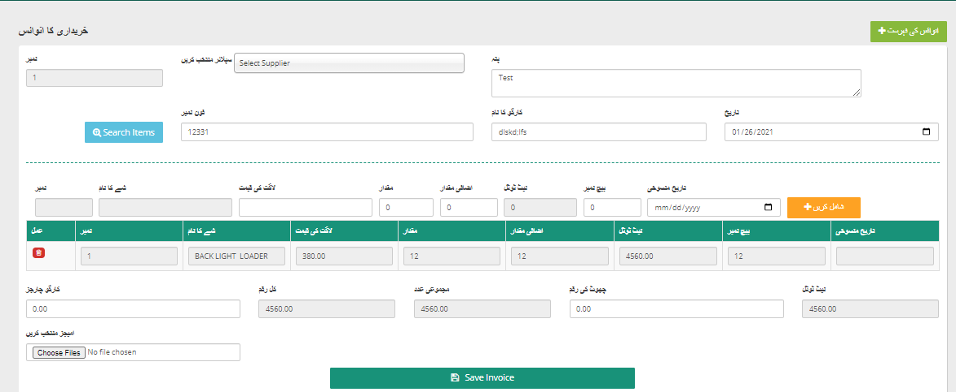

Site Visit

Sr | Project Name | Site | Surveyor | Updated Date | Image | Preview
1 | HSBC | AB105 | Muhammad | 2021-01-01
2 | HSBC | AT965 | Salamn | 2021-01-01
 | Area

Team Task Report
 | Project Name | HSBC |  | Project Start Date |  | 2021-01-01
 | Site | AB105 |  | Project Delivery Date |  | 20-01-2020
 | Supervisor | Hassan | Engineer

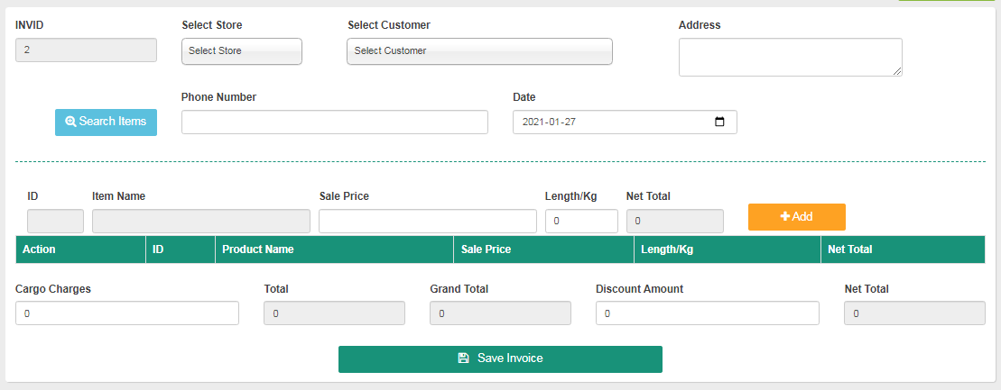
 | Task | Status | Staff | Area | Hrs
 | Painting
 | Sanding | Finished | Salman | Gallery | 5
 | Filling | Finished | Tamoor | Gallery | 7
 | Priemer | In Process | Khan | Gallery | 3 |  | Quotation
 | Paint | Not Finished | Khan | Gallery | 0
 | Flooring
 | Concrete | Finished | John | Hall | 8
 | Filling | In Process | Stephen | Hall | 9
 | Tiling | Not Finished | Stephen | Hall | 0

